Sheet5
Row Labels | Sum of ExperienceInCurrentDomain
Bachelors | 25
Masters | 28
PHD | 18
Education and Total Experince
Grand Total | 71

Sheet8
Row Labels | Count of EverBenched
2012 | 3
2013 | 4
2014 | 3
2015 | 4
2016 | 8
2017 | 8
2018 | 1
Grand Total | 31

Sheet9
Row Labels | Sum of LeaveOrNot
Female | 5
Male | 4
Grand Total | 9
Gender and Total leave or not

Dashboards
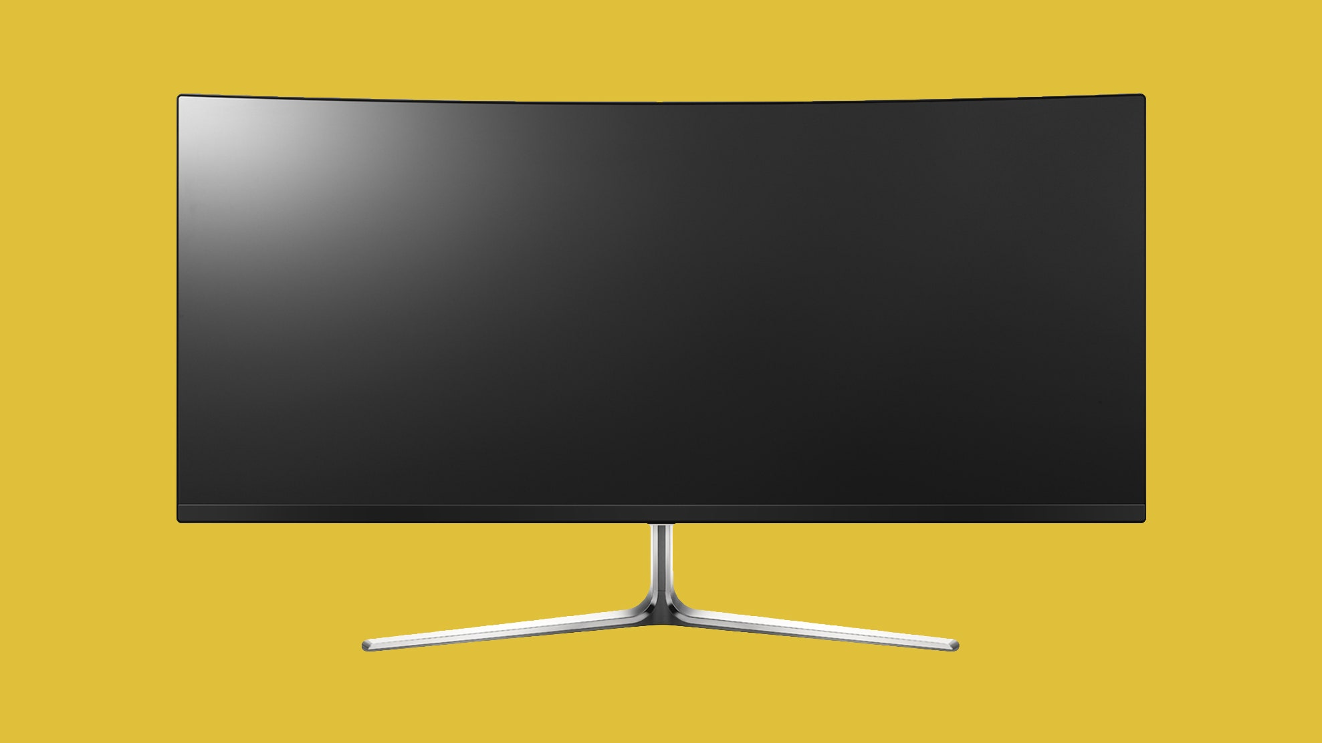
Employee Details Dashboard

Total
 | Total
2012 | 3
2013 | 4
2014 | 3
2015 | 4
2016 | 8
2017 | 8
2018 | 1
Education and Total Experince
 | Total
Bachelors | 25
Masters | 28
PHD | 18

Age and Gender
 | Total
Female | 269
Male | 679

Gender and Total leave or not
 | Total
Female | 5
Male | 4

Total city and payment tier
 | Total
Bangalore | 43
New Delhi | 19
Pune | 20

